C (2)
 |  |  | Comparing cartridge foam soap systems can be confusing. This calculator makes it easy to do a side by side cost comparison.
Apples to Apples Comparison- See the Savings for Yourself
 | Prepared for: | JFK School | 2019-11-18
Enter information in the YELLOW Boxes Only
 | Distributor Sales Rep | John Doe

Foam Soap Competitor |  | Gojo

Luxe Foam Soap |  | Luxe Fresh Scent

Enter Information in the Unshaded Boxes ONLY.
 |  | Luxe Fresh Scent | Gojo
 | Price per case | $58.00 | $45.00
 | Cartridges per case | 6 | 4
 | Capacity per cartridge | 1000 | 1200
 | Output per pump | 0.6 | 0.7
 | Cost per pump | 0.0058 | 0.0066
 | Cost per 1000 pumps | $5.80 | $6.56
 | Annual Expense | $5,302.86 | $6,000.00

Annual Cost Comparison

Luxe Foam Soap Savings |  | $697.14 | per year

Percent Savings |  | 13% | per year

Dislaimer: This worksheet is for illustration purposes to show the potential for savings with the
Luxe Foam Soap System. It not intended for preparing quotations or determining
supply requirements. Savings calculations are for illustrative purposes only.

C
 | Foaming Hand Soaps Compare bulk re-fill liquid soaps to the bulk refill cartridge Fikes Foam Soap. | 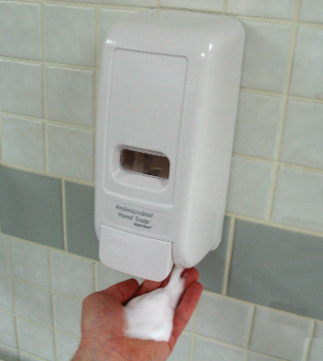 | Foaming Hand Soaps Let us show you how you can save by replacing liquid soap with Fikes Foam Soap.
Do the Math Worksheet - See the Savings for Yourself
Prepared for: |  |  | 2019-11-18

Foam Soap Competitor |  | Betco Clario |  | Betco Clario
 |  |  |  | Kutol
Luxe Foam Soap |  | Luxe Fresh Scent |  | Buckeye Symmetry
 |  |  |  | Hillyard
Enter Information in the Unshaded Boxes ONLY.
 |  | Luxe Fresh Scent | Betco Clario | Clorox
 | Price per case | $58.00 | $59.39 | Gojo
 | Cartridges per case | 6 | 6 | Dial
 | Capacity per cartridge | 1000 | 1000 | GP
 | Output per pump | 0.6 | 0.6 | Kimberly Clark
 | Cost per pump | 0.0058 | 0.0059
 | Cost per 1000 pumps | $5.80 | $5.94
 | Annual Expense | $2,929.79 | $3,000.00

Annual Cost Comparison

Luxe Foam Soap Savings |  | -$70.21 | per year

Percent Savings |  | -2% | per year

Dislaimer: This worksheet is for illustration purposes to show the potential for savings with the
a Foam Soap System. It not intended for preparing quotations or determining
supply requirements. Savings calculations are for illustrative purposes only.

