Sheet1
 |  | Odor Free Drain Calculator: Use this simple calculator to determine dosage settings on the Bio-Pump and to determine monthly cost of Bio-Power Plus. Simply enter information in the YELLOW boxes.

Customer | ABC Company
Contact | John Doe
Email | jdoe@gmail.com
Phone | xxxx

Bio-Power Plus Cost Per 5 Gallons…………. |  |  | $68.00
Part No……………………………………………. |  |  | 902255
Diameter of drain……………………………….. |  |  | 1 | inches
Total Number of drains……………………….. |  |  | 5 | drains
How many times per week…………………… |  |  | 7 | times per week

Calculations for Bio-Power Plus
 |  | Daily Usage Ounces | Monthly Usage Gallons | Monthly Cost
Bio-Power Plus |  | 10.0 | 2.2 | $30.49

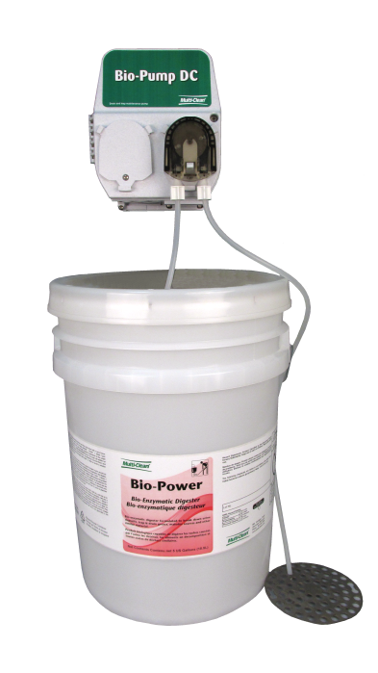
Foul Odors emanating from drains in food service establishments can be a problem.
Bio-Power Plus and the Bio-Pump are the solution to keeping drains flowing and odor free.

Bio-Power Plus | 5 gallon pail | 902255
Bio-Pump AC | 120 V AC | 421810
Bio-Pump DC | 8 D batteries | 421805

The Bio-Pump is a pump that can be programmed to dose drains anytime of the day or night with specific quanties of Bio-Power Plus. It can dose one or two times per day and offers flexible weekly scheduling. The enzymes in Bio-Power Plus consume waste build up in drains to help keep them odor free.

Sales Rep | xxxxx
Phone | xxxxx
email | xxxxx

